UUID
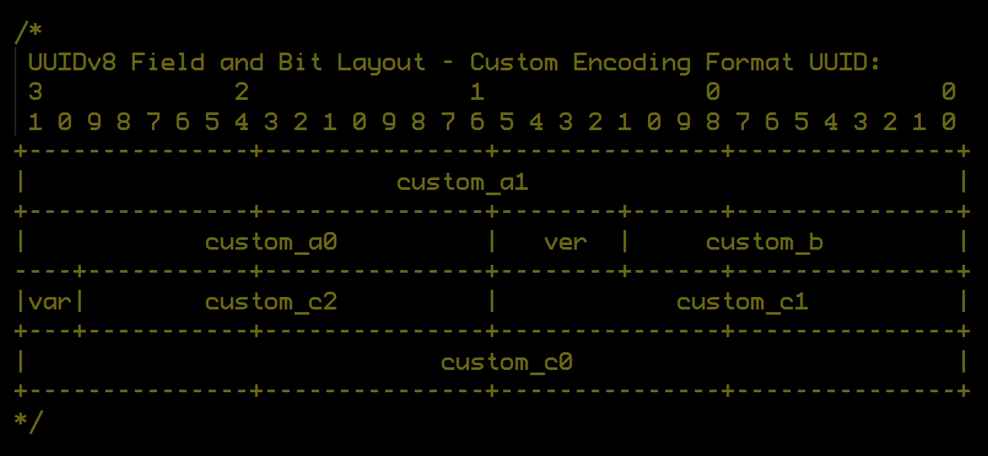
UUID specification (Example: UUIDv1)

127 | 126 | 125 | 124 | 123 | 122 | 121 | 120 | 119 | 118 | 117 | 116 | 115 | 114 | 113 | 112 | 111 | 110 | 109 | 108 | 107 | 106 | 105 | 104 | 103 | 102 | 101 | 100 | 99 | 98 | 97 | 96
L | L | L | L | L | L | L | L | L | L | L | L | L | L | L | L | L | L | L | L | L | L | L | L | L | L | L | L | L | L | L | L

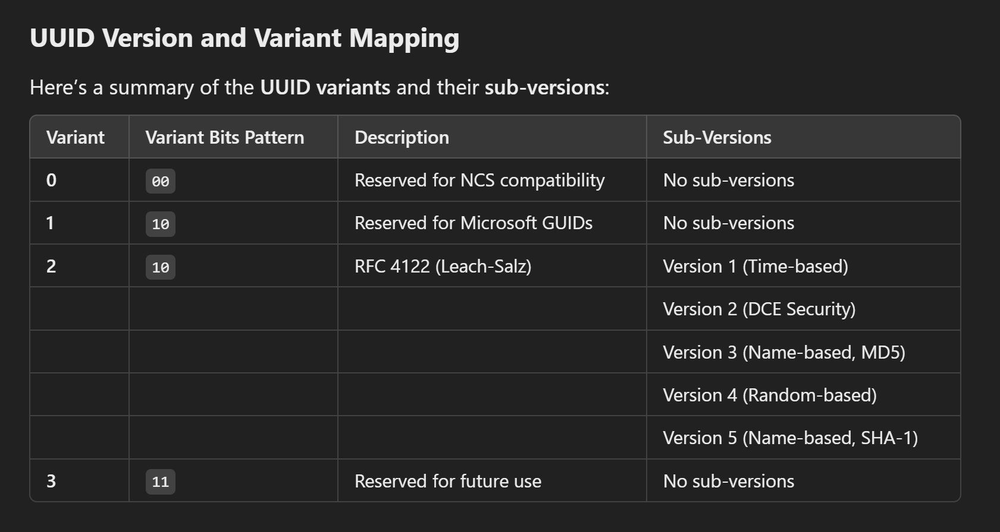
95 | 94 | 93 | 92 | 91 | 90 | 89 | 88 | 87 | 86 | 85 | 84 | 83 | 82 | 81 | 80 | 79 | 78 | 77 | 76 | 75 | 74 | 73 | 72 | 71 | 70 | 69 | 68 | 67 | 66 | 65 | 64
M | M | M | M | M | M | M | M | M | M | M | M | M | M | M | M | v | v | v | v | H | H | H | H | H | H | H | H | H | H | H | H

63 | 62 | 61 | 60 | 59 | 58 | 57 | 56 | 55 | 54 | 53 | 52 | 51 | 50 | 49 | 48 | 47 | 46 | 45 | 44 | 43 | 42 | 41 | 40 | 39 | 38 | 37 | 36 | 35 | 34 | 33 | 32
V | V | S | S | S | S | S | S | S | S | S | S | S | S | S | S | C | 6 | 6 | 6 | 6 | 6 | 6 | 6 | 5 | 5 | 5 | 5 | 5 | 5 | 5 | 5

31 | 30 | 29 | 28 | 27 | 26 | 25 | 24 | 23 | 22 | 21 | 20 | 19 | 18 | 17 | 16 | 15 | 14 | 13 | 12 | 11 | 10 | 9 | 8 | 7 | 6 | 5 | 4 | 3 | 2 | 1 | 0
4 | 4 | 4 | 4 | 4 | 4 | 4 | 4 | 3 | 3 | 3 | 3 | 3 | 3 | 3 | 3 | 2 | 2 | 2 | 2 | 2 | 2 | 2 | 2 | 1 | 1 | 1 | 1 | 1 | 1 | 1 | 1

L |  | L - is a 32-bit 'Low' value |  |  |  |  |  |  |  |  |  |  |  |  |  |  |  |  |  | UUID |  |  | :L.M.X.H:V.S.C.N:

M |  | M - is a 16-bit 'Middle' value |  |  |  |  |  |  |  |  |  |  |  |  |  |  |  |  |  | MAC |  |  | 11:22:33:44:55:66

v |  | v - is a 4-Bit 'UUID Variant Version' to identify what H:M:L and N represent

H |  | H - is a 12-bit 'High' value

V |  | V - is a 2-Bit 'UUID Variant' to identify the type of UUID is being represented

S |  | S - is a 12-Bit 'Clock Sequence' to ensure that H:M:L is unique beyond millisecond granularity

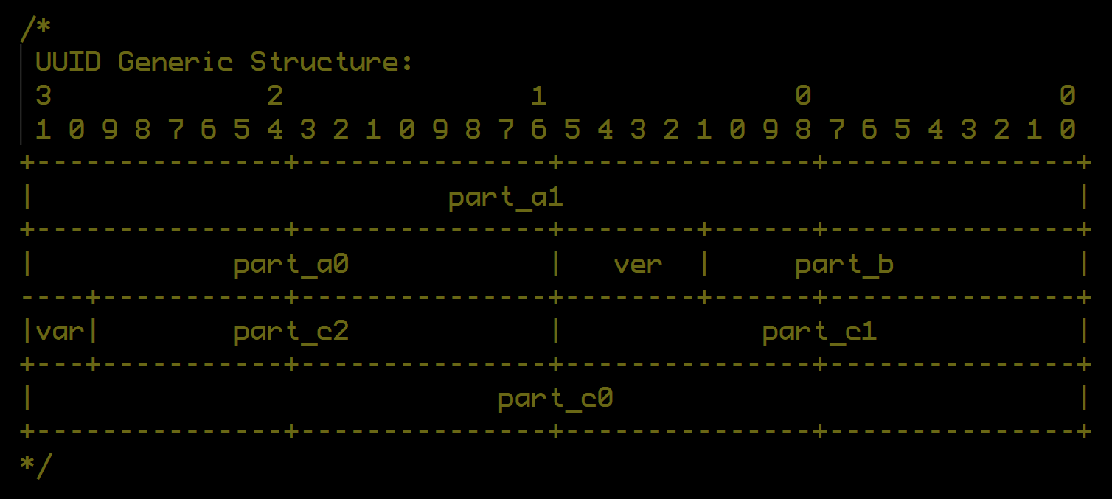
C |  | C - is a 1-Bit Flag 'Multicast' flag that defines the meaning of 'Node'. Only for UUID Variant 2.

N |  | N - Node # typically derived from a MAC address

As a string…

LLLLLLLL-MMMM-vHHH-VSSS-CNNNNNNNNNNN

 |  |  |  | ^b00SS: Reserved for NCS compatibility (historical use, before RFC 4122)
 |  | V |  | ^b01SS: Reserved for Microsoft’s GUIDs
 |  |  |  | ^b10SS: Leach-Salz variant. (RFC 4122 standard / PostgreSQL)
 |  |  |  | ^b11SS: Reserved for future use

 |  |  |  | ^b0000: Undefined / Reserved.
 |  |  |  | ^b0001: Version 1 Time-based UUID.
 |  | v |  | ^b0010: Version 2 DCE security UUID (based on POSIX UID/GID).
 |  |  |  | ^b0011: Version 3 Name-based (MD5) UUID.
 |  |  |  | ^b0100: Version 4 Random-based UUID. (PostgreSQL)
 |  |  |  | ^b0101: Version 5 Name-based (SHA-1 Hash) UUID.
 |  |  |  | ^b0110: Version 6 Gregorian Ordered Time UUID.
 |  |  |  | ^b0111: Version 7 Unix Epoch Time UUID.
 |  |  |  | ^b1000: Version 8 Custom UUID.

H.M.L |  |  |  | A 60-bit timestamp based on 100-nanosecond intervals since October 15, 1582, the offical start of the Gregorian Calendar.

 |  | C |  | ^b0: 'Node' is a MAC ID.
 |  |  |  | ^b1: 'Node' is a Multicast Address.

JSON |  |  | mcode.uuidDecode()

{ Version: 'UUIDv1' } { UUID: 'c232ab00-9414-11ec-b3c8-6f6bdeced846', Variant: 2, VariantText: 'RFC 4122, RFC 9562', Version: 1, VersionText: 'Gregorian Unordered Timestamp', Value1Name: 'Timestamp', Value1: '2022-02-22 19:22:22.000.000 UTC', Value2Name: 'Clock Sequence', Value2: 13256n, Value3Name: '', Value3: '', Value4Name: 'Node Type', Value4: 'MAC Address (Unicast)', Value5Name: 'Node Address', Value5: '6f:6b:de:ce:d8:46', Value6Name: '', Value6: '', NumberName: 'Random Number', NumberText: '0x1ec9414c232ab00', time_low: 'c232ab00', time_mid: '9414', time_high: '1ec', time: '1ec9414c232ab00', clock_seq: '33c8', multicast: false, multicastText: 'Unicast', node: '6f6bdeced846' } |  |  |  |  |  |  |  |  |  |  |  |  |  |  |  | UUIDv1 |  |  |  | Unicast
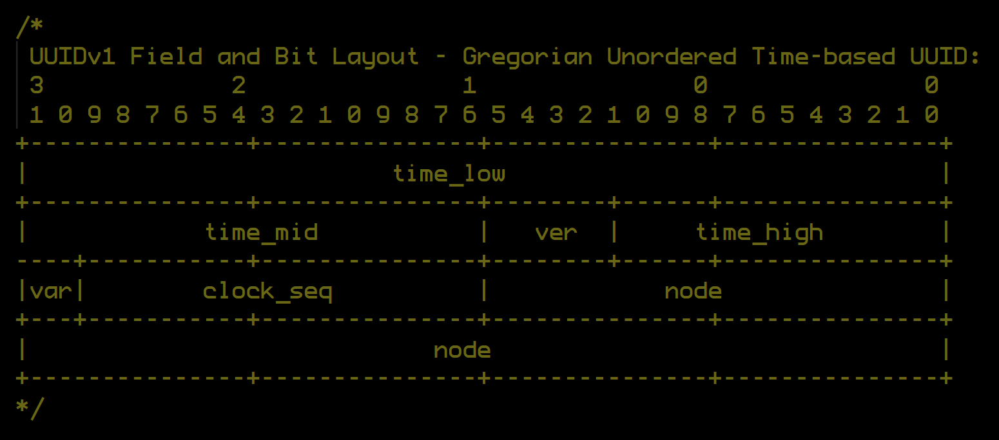

{ Version: 'UUIDv1' } { UUID: 'c232ab00-9414-11ec-a3c8-af6bdeced846', Variant: 2, VariantText: 'RFC 4122, RFC 9562', Version: 1, VersionText: 'Gregorian Unordered Timestamp', Value1Name: 'Timestamp', Value1: '2022-02-22 19:22:22.000.000 UTC', Value2Name: 'Clock Sequence', Value2: 9160n, Value3Name: '', Value3: '', Value4Name: 'Node Type', Value4: 'MAC Address (Multicast)', Value5Name: 'Node Address', Value5: 'af:6b:de:ce:d8:46', Value6Name: '', Value6: '', NumberName: 'Random Number', NumberText: '0x1ec9414c232ab00', time_low: 'c232ab00', time_mid: '9414', time_high: '1ec', time: '1ec9414c232ab00', clock_seq: '23c8', multicast: true, multicastText: 'Multicast', node: 'af6bdeced846' } |  |  |  |  |  |  |  |  |  |  |  |  |  |  |  | UUIDv1 |  |  |  | Multicast

{ Version: 'UUIDv2' } { UUID: 'f47ac10b-58cc-21cf-a2d0-00a0c91e6bf6', Variant: 2, VariantText: 'RFC 4122, RFC 9562', Version: 2, VersionText: 'DCE Security (POSIX)', Value1Name: 'part_a', Value1: 'f47ac10b58cc', Value2Name: 'part_b', Value2: '1cf', Value3Name: 'part_c', Value3: '22d000a0c91e6bf6', Value4Name: '', Value4: '', Value5Name: '', Value5: '', Value6Name: '', Value6: '', NumberName: 'Random Number', NumberText: '0xf47ac10b58cc1cf22d000a0c91e6bf6', part_a: 'f47ac10b58cc', part_b: '1cf', part_c: '22d000a0c91e6bf6', Random: 'f47ac10b58cc1cf22d000a0c91e6bf6' } |  |  |  |  |  |  |  |  |  |  |  |  |  |  |  | UUIDv2
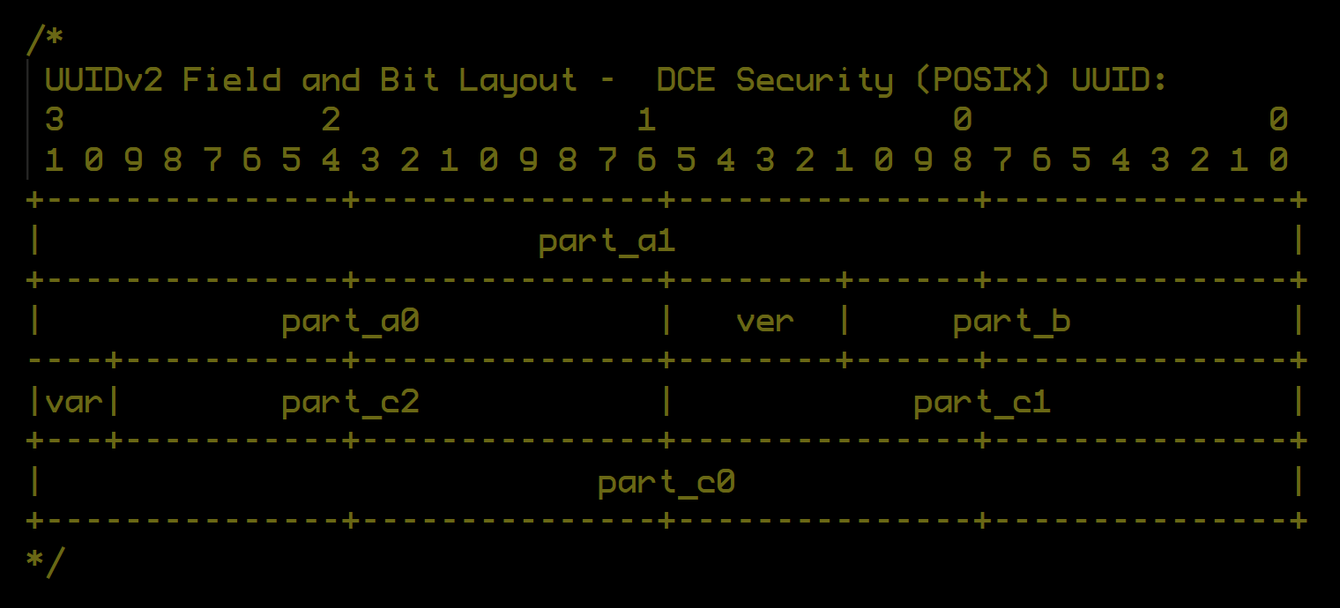

{ Version: 'UUIDv3' } { UUID: '5df41881-3aed-3515-88a7-2f4a814cf09e', Variant: 2, VariantText: 'RFC 4122, RFC 9562', Version: 3, VersionText: 'Name-Based (MD5 Hash)', Value1Name: 'md5_high', Value1: '5df418813aed', Value2Name: 'md5_mid', Value2: '515', Value3Name: 'md5_low', Value3: '08a72f4a814cf09e', Value4Name: '', Value4: '', Value5Name: '', Value5: '', Value6Name: '', Value6: '', NumberName: 'MD5 Hash', NumberText: '0x5df418813aed51508a72f4a814cf09e', md5_high: '5df418813aed', md5_mid: '515', md5_low: '08a72f4a814cf09e', MD5: '5df418813aed51508a72f4a814cf09e' } |  |  |  |  |  |  |  |  |  |  |  |  |  |  |  | UUIDv3
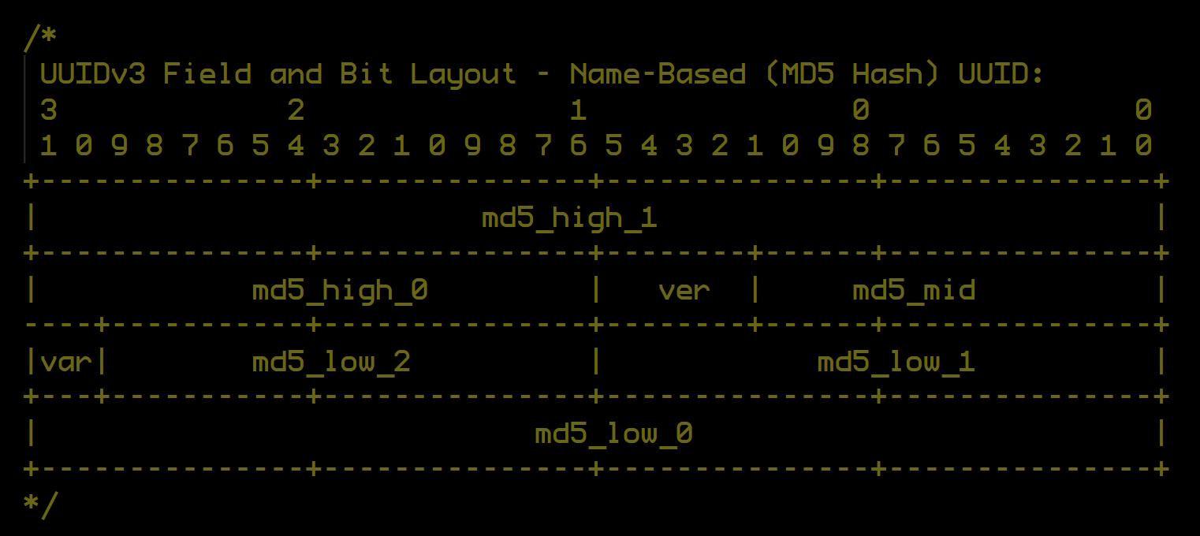

{ Version: 'UUIDv4' } { UUID: '919108f7-52d1-4320-9bac-f847db4148a8', Variant: 2, VariantText: 'RFC 4122, RFC 9562', Version: 4, VersionText: 'Random-Based Number', Value1Name: 'random_a', Value1: '919108f752d1', Value2Name: 'random_b', Value2: '320', Value3Name: 'random_c', Value3: '1bacf847db4148a8', Value4Name: '', Value4: '', Value5Name: '', Value5: '', Value6Name: '', Value6: '', NumberName: 'Random Number', NumberText: '0x919108f752d13201bacf847db4148a8', random_a: '919108f752d1', random_b: '320', random_c: '1bacf847db4148a8', Random: '919108f752d13201bacf847db4148a8' } |  |  |  |  |  |  |  |  |  |  |  |  |  |  |  | UUIDv4
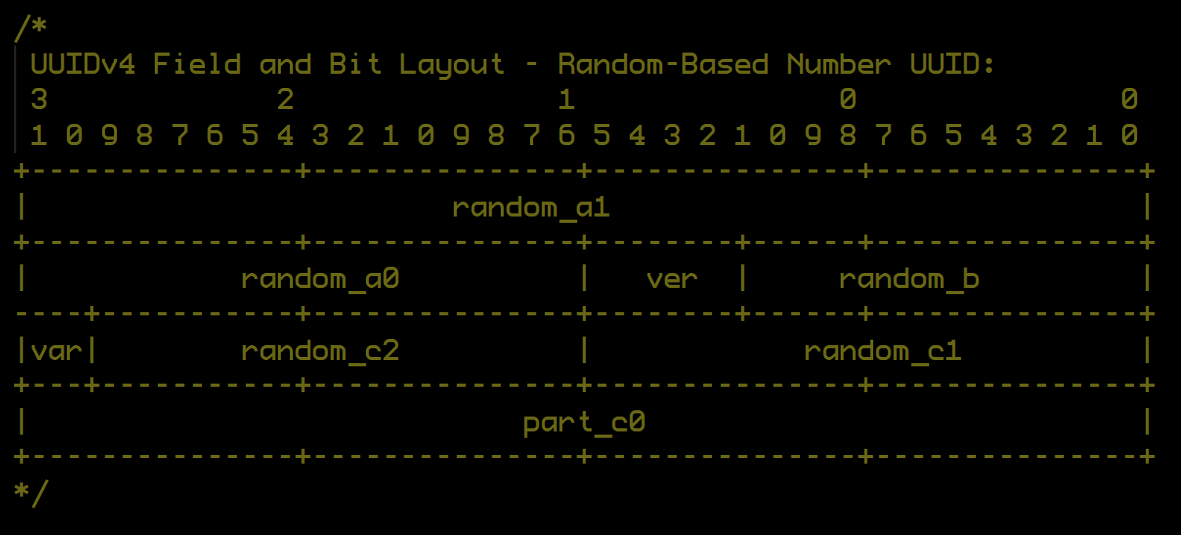

{ Version: 'UUIDv5' } { UUID: '2ed6657d-e927-568b-95e1-2665a8aea6a2', Variant: 2, VariantText: 'RFC 4122, RFC 9562', Version: 5, VersionText: 'Name Based (SHA-1 Hash)', Value1Name: 'sha1_high', Value1: '2ed6657de927', Value2Name: 'sha1_mid', Value2: '68b', Value3Name: 'sha1_low', Value3: '15e12665a8aea6a2', Value4Name: '', Value4: '', Value5Name: '', Value5: '', Value6Name: '', Value6: '', NumberName: 'SHA-1 Hash', NumberText: '0x2ed6657de92768b15e12665a8aea6a2', sha1_high: '2ed6657de927', sha1_mid: '68b', sha1_low: '15e12665a8aea6a2', 'SHA-1': '2ed6657de92768b15e12665a8aea6a2' } |  |  |  |  |  |  |  |  |  |  |  |  |  |  |  | UUIDv5
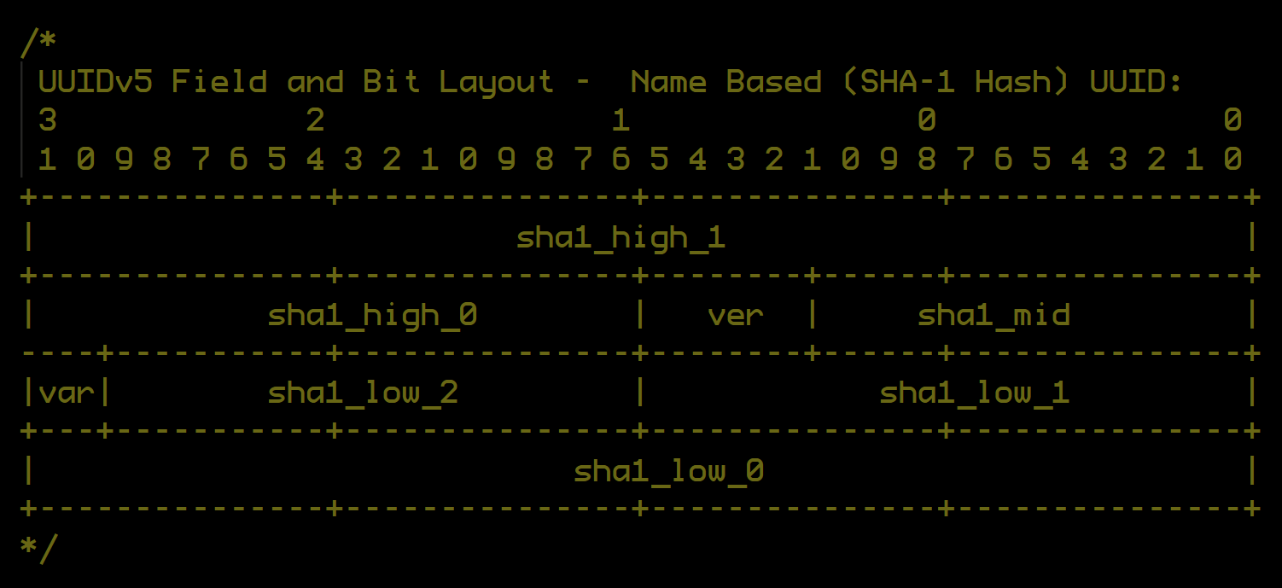

{ Version: 'UUIDv6' } { UUID: '1ec9414c-232a-6b00-b3c8-9f6bdeced846', Variant: 2, VariantText: 'RFC 4122, RFC 9562', Version: 6, VersionText: 'Gregorian Ordered Timestamp', Value1Name: 'Timestamp', Value1: '1ec9414c232ab00', Value2Name: 'Clock Sequence', Value2: 13256n, Value3Name: '', Value4Name: 'Node Type', Value4: 'MAC Address (Multicast)', Value5Name: 'Node Address', Value5: '9f:6b:de:ce:d8:46', Value6Name: '', Value6: '', NumberName: 'Random Number', NumberText: '0x1ec9414c232ab00', time_low: 'b00', time_mid: '232a', time_high: '1ec9414c', time: '1ec9414c232ab00', clock_seq: '33c8', multicast: true, multicastText: 'Multicast', node: '9f6bdeced846' } |  |  |  |  |  |  |  |  |  |  |  |  |  |  |  | UUIDv6
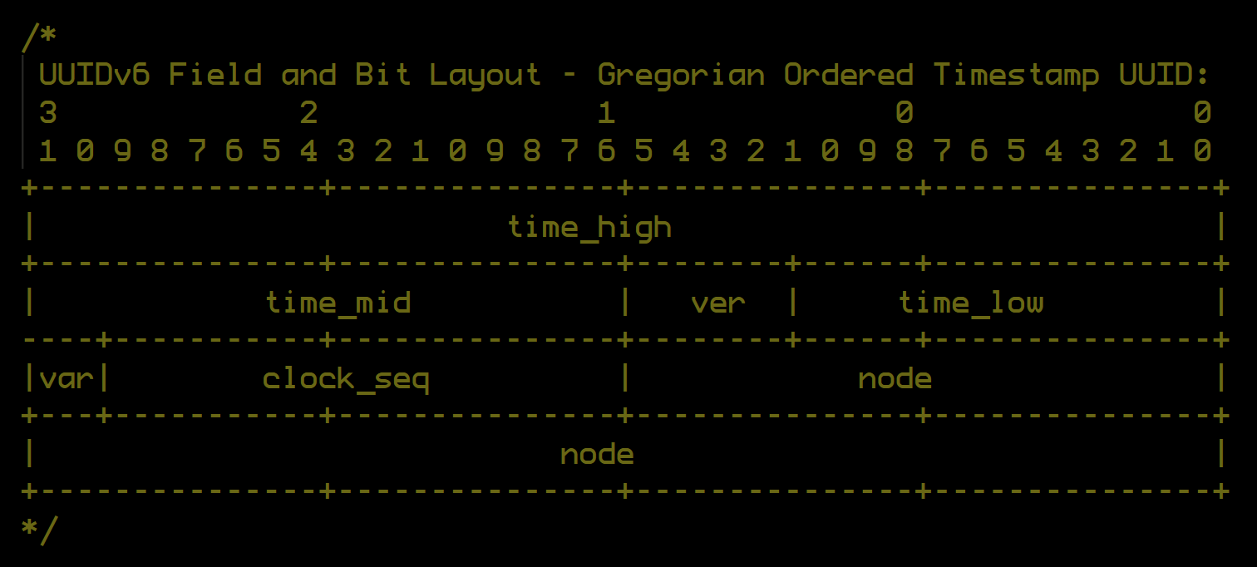

{ Version: 'UUIDv7' } { UUID: '017f22e2-79b0-7cc3-98c4-dc0c0c07398f', Variant: 2, VariantText: 'RFC 4122, RFC 9562', Version: 7, VersionText: 'Unix Epoch Timestamp', Value1Name: 'Timestamp', Value1: '017f22e279b0', Value2Name: '', Value2: '', Value3Name: '', Value3: '', Value4Name: 'rand_a', Value4: 'cc3', Value5Name: 'rand_b', Value5: '18c4dc0c0c07398f', Value6Name: '', Value6: '', NumberName: 'Random Number', NumberText: '0xcc318c4dc0c0c07398f', rand_a: 'cc3', rand_b: '18c4dc0c0c07398f', rand: 'cc318c4dc0c0c07398f', unix_ts_ms: '017f22e279b0', Random: 'cc318c4dc0c0c07398f' } |  |  |  |  |  |  |  |  |  |  |  |  |  |  |  | UUIDv7
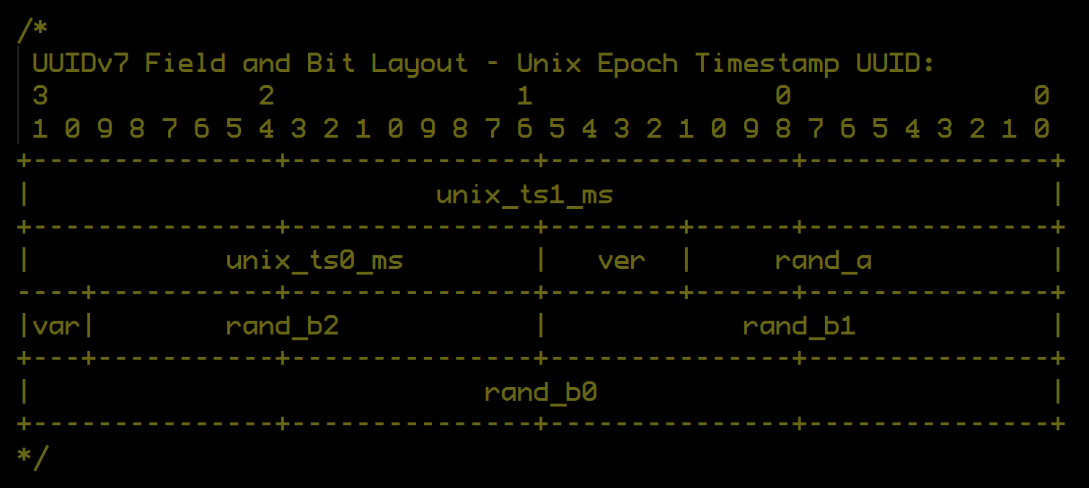

{ Version: 'UUIDv8' } { UUID: 'ffffffff-ffff-8fff-9fff-ffffffffffff', Variant: 2, VariantText: 'RFC 4122, RFC 9562', Version: 8, VersionText: 'Custom Encoding Format', Value1Name: 'custom_a', Value1: 'ffffffffffff', Value2Name: 'custom_b', Value2: 'fff', Value3Name: 'custom_c', Value3: '1fffffffffffffff', Value4Name: '', Value4: '', Value5Name: '', Value5: '', Value6Name: '', Value6: '', NumberName: 'Custom Encoding', NumberText: '0xfffffffffffffff1fffffffffffffff', custom_a: 'ffffffffffff', custom_b: 'fff', custom_c: '1fffffffffffffff', Custom: 'fffffffffffffff1fffffffffffffff' } |  |  |  |  |  |  |  |  |  |  |  |  |  |  |  | UUIDv8

